Foglio1
DATE | 2026-03-02
SEASON | AW26/27 PPS INSTRUCTION
CUSTOMER/LABEL | THE JACKIE LEATHER
SUPPLIER | PAKKAR
STYLE NAME | ISLAY burned suede
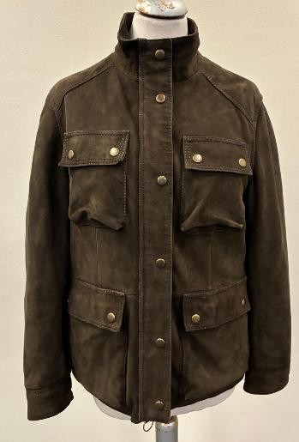 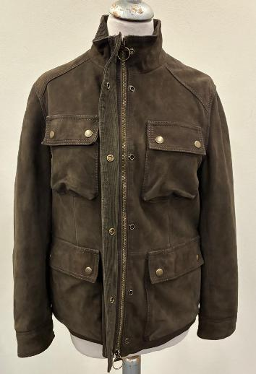 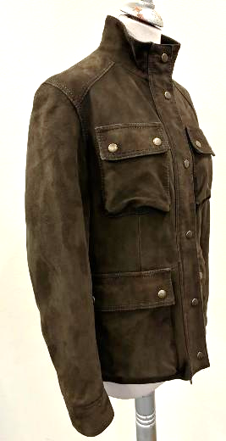 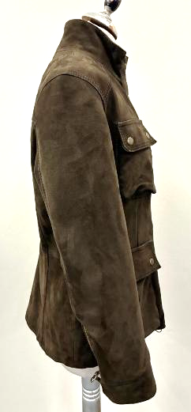 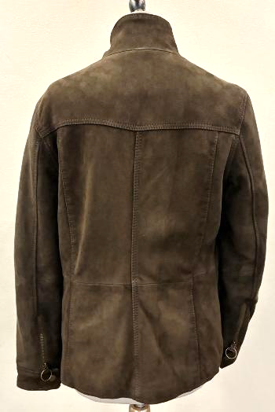 PICTURES
AVOID VEIN MARKS ON SUEDE
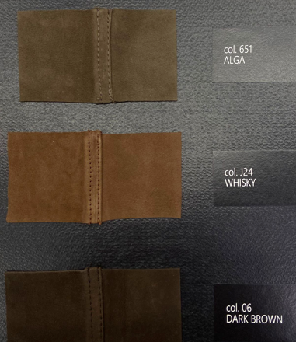 COLOUR | BURNED SUEDE, NOT FULLY FUSED GOAT SUEDE HEAVYLY WASHED & TREATED & WAXED -> OK WASHING AND TREATMENT AS PER SMS >>AVOID VISIBLE BUSHY LOOSE PARTS, STAINS, DEEP FOLD MARKS FUSING ONLY UNDER STITCHING TO GET >PUCKERING ON STITCHING/JOINTS THE SUEDE MUST BE SOFT ALSO AFTER WASHING >THE WAXING SHOULD BE A NICE & SMOOTH SHOULD GO SLIGHTLY FADING UNTIL DISAPPER, THE WAXING SHOULD GET A DARKER TONE BUT MUST NOT BE A BLACKISH LINE ON STITCHING AND JOINTS, avoid stains, patches >PLEASE NOTE THAT WE WOULD LIKE TWO TONING LOOK ON THE PANELS, TO HAVE TREATED LOOK ON ENTIRE SURFACE NOT ONLY ON JOINTS >AVOID LEOPARD WASHING EFFECT SUEDE SUBSTANCE AFTER WASHING, 0,75/0,80mm -> TAKE CARE AVOID PLEATS, FOLD MARKS AVOID LEATHER MARKS, VEINS MARKS, OPEN DEFECTS, LEOPARD WASHING EFFECT AVOID MISMATCHING PANELS AVOID GLUE STAINS AVOID LIGHT STAINS, DARK STAINS AND SCRATCHED EFFECT >>SUEDE MUST NOT BLEED COLOR OR LEAVE DUST | 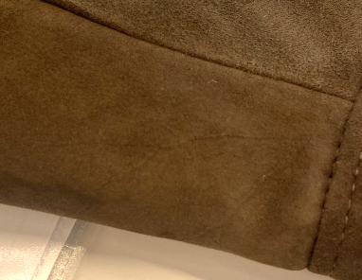

COLORS | col. 651 ALGA -> FOLLOW COLOR TONE AS PER SMS style#ISLAY seal n°410 SENT BACK FOR YOUR REFERENCE col. J24 WHISKY -> PLEASE FOLLOW THE SUEDE SWATCH SENT YOU FOR CORRECT COLOR REFERENCE col. 06 DARK BROWN -> FOLLOW COLOR TONE AS PER SMS style#ADELE KNIT seal n°409 SENT BACK FOR YOUR REFERENCE
PATTERN | DISREGARDS THE SMS PATTERN, IT'S NOT VALID ANYMORE TO MAKE PPS PLEASE USE PATTERN name #ISLAY-BURNED -06-02-26 SENT BY E-MAIL USING THE CORRECT PATTERN PLEASE PROCEED WITH A PPS size 42 col.ALGA FOR FINAL FITTING, WASHING, TREATMENT AND WORKMANSHIP APPROVAL

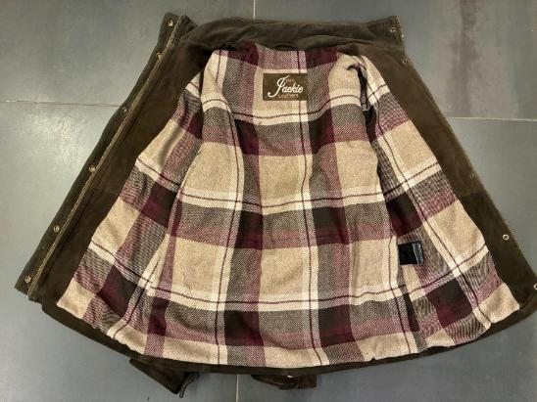 BODY LINING | *FOR BODY LINING PLEASE USE art FRISOH LIGHT col.1602 CHECK RED -> PROVIDED BY US >> this lining fabric is fixed for all suede color ordered *BOTTOM BODY HEM IN WASHED AND TREATED SUEDE -> OK AS PER SMS ........................................................................ * INSIDE COLLAR, FRONT PLACKET, INSIDE POCKET FLAP AND UNDER CUFF IN VELVET CORDUROY 14WALES -> PROVIDED BY US for leather and velvet cordouroy combinatioon for bulk please follow information below: > suede col.651 ALGA -> velvet cordouroy col.DARK GREEN -> OK AS PER SMS > suede col.J24 and 06 DARK BROWN -> velvet cordouroy col.DARK BROWN >>TAKE CARE TO DON'T RUIN THE FABRIC DURING THE ASSEMBLING SECTION
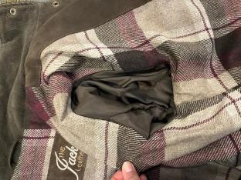 SLEEVES LINING | FOR SLEEVE LINING USE A VERY NICE QUALITY OF POLYESTER FABRIC MATCHING LEATHER COLOUR -> PROVIDED BY YOU -> OK AS PER SMS *INSIDE CUFFS SHOULD BE IN VELVET CORDOUROY ->PROVIDED BY US for leather and velvet cordouroy combinatioon for bulk please follow information below: > suede col.651 ALGA -> velvet cordouroy col.DARK GREEN -> OK AS PER SMS > suede col.J24 and 06 DARK BROWN -> velvet cordouroy col.DARK BROWN
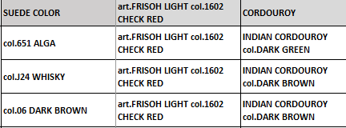
PADDING | *BODY WITHOUT PADDING -> OK AS PER SMS *SLEEVES PADDED > SUPER LIGHT QUALITY OF INDIAN PADDING ONLY ON SLEEVES > 20gr MAXIMUM -> PROVIDED BY YOU -> TO REDUCE THE QUANTITY OF PADDING ON SLEEVES -> SMS NOT CORRECT, THERE IS TOOPADDING AND THE SLEEVES RESULT SMALL, PLEASE REDUCE LITTLE BIT
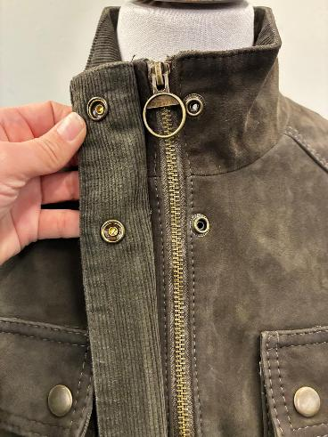 ZIPPER | *FOR MAIN CLOSURE PLEASE USE METAL ZIPPER SBS N°5 DOUBLE SLIDER, in BRASS ANTIQUE FINISHING -> PROVIDED BY YOU -> OK AS PER SMS *FOR CUFF PLEASE USE METAL ZIPPER SBS N°5 SINGLE SLIDER, in BRASS ANTIQUE FINISHING WITH SQAURED PULLER SHAPE -> PROVIDED BY YOU -> OK AS PER SMS *ZIPPER RIBBON MATCHING LEATHER COLOR , NOT DYED -> OK AS PER SMS *METAL PULLER WITH ROUND SHAPE FOR MAIN CLOSURE -> OK AS PER SMS >ROUND PULLER AT BOTH SLIDER AT MAIN ZIPPER (TOP AND LOWER) -> OK AS PER SMS | 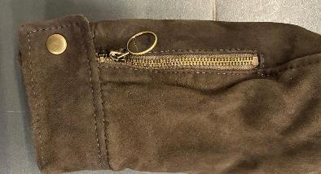 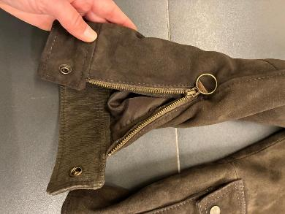
SMS NOT CORRECT, THE PRESS BUTTONS ARE TOO HARD TO CLOSE AND TO OPEN, IMPROSSIBLE TO BE USED AND THE UNDER PART GET OFF AND THE PRESS BUTTONS WILL BE BROKEN_ PLEASE FOR PPS AND BULK USE PRESS BUTTON QUALITY WITH NICER ADN SOFTER CLOSURE
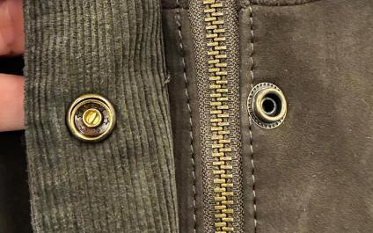 ACCESSORIES | *METAL PRESS BUTTONS "RING TYPE" FOR FROONT PLACKET, POCKETS FLAP (CHEST AND LOWER) AND CUFF IN BRASS ANTIQUE FINISHING, 1,5 CM DIAMETER -> PROVIDED BY YOU *PRESS BUTTON SHOULD HAVE A SOFTER OPENING AND CLOSURE -> SMS NOT CORRECT, THE PRESS BUTTONS ARE TOO HARD TO CLOSE AND TO OPEN, IMPROSSIBLE TO BE USED AND THE UNDER PART GET OFF AND THE PRESS BUTTONS WILL BE BROKEN_ PLEASE FOR PPS AND BULK USE PRESS BUTTON QUALITY WITH NICER ADN SOFTER CLOSURE | 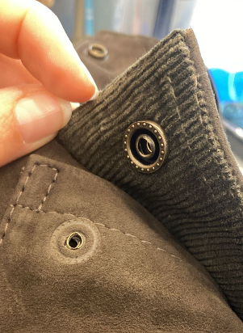
5 CM
IMPROVE THE EMBROIDERY QUALITY, IT SHOULD EB STRAIGHT AND PRECISE_ SMS ISN'T LINEAR, IMPROVE IT
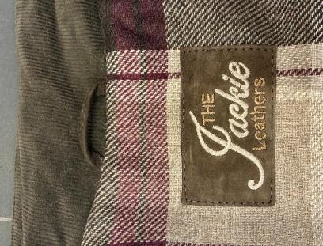 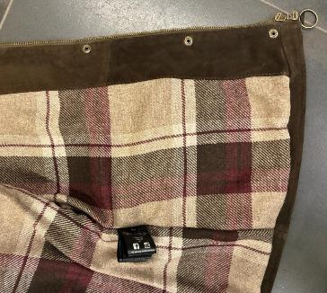 LABELLING | EMBRODERY MAIN LABEL ->IMPROVE THE EMBROIDERY QUALITY, IT SHOULD EB STRAIGHT AND PRECISE_ SMS ISN'T LINEAR, IMPROVE IT PLEASE MAKE THE LOGO "THE JACKIE LEATHERS" EMBROIDERED ON A LEATHER PATCH (BODY LEATHER) TO BE SEWN AT C.BACK LINING AT 5 CM FROM NECKLINE > LABEL SIZE 9,5 cm width X 5,5 cm high >"THE" AND "LEATHERS" EMBROIDERED WITH THREAD MATCHING LEATHER COLOR >"JACKIE" EMBROIDERED WITH THREAD MATCHING COLOR WITH LINING_ BEIGE TONE -> OK COLOR TONE AS PER SMS >FOLDED EDGES WITH VISIBLE STITCHING AT THE EDGE TO BE SEWN ON LINING , USING THREAD MATCHING LEATHER COLOUR LEATHER HANGTAG WITH EMBRODERY HAVE THE EQUAL INSTRUCTION OF 2nd MAIN LABEL'S EMBRODERY > HANTAG IN LEATHER TREATED SAME AS PER GARMENT > HANTAG SIZE 13 cm width X 6 cm high > BACK PART SHOULD BE IN LINING FABRIC > FRONT AND BACK LAYERS SEW TOGHETHER ALL AROUND WITH 3mm STITCHING FROM THE EDGE. > STITCHING SHOULD BE MATCHING LEATHER COLOUR > LEATHER HANG TAG with gun metal eyelet -------------------------------------- *PRINTED LABELS SEW AT LEFT WORN SIDE 1st PLACE "SIZE" label 2nd PLACE "FACEBOOK/INSTAGRAM" 3rd PLACE "IMPORTED and DISTRIBUTED BY" 4th PLACE "WASH CARE" label 5th PLACE "MADE IN INDIA" label *THE PRINTED LABELS, PROVIDED BY YOU, SHOULD HAVE BLACK GROUND AND WHITE LETTERING STITCHED AT LEFT WORN SIDE AT 15 CM FROM BOTTOM -> SMS NOT CORRECT **THE CARTON HANGTAGS INFORMATION DOCUMENTS WILL BE SENT LATER AND THE CARTON TAGS ATTACHED TO SMS ARE NOT TO BE USED AS A REFERENCE FOR PRODUCTION
15 CM
SMS NOT CORRECT, THE CHAIN IS MISSING AND THE LOOP IS TOO SHORT
8 CM
STITCHING | OK STITCHING AS PER SMS NO SHOW STITCHING AT HORYZONTAL SLEEVE CUT, WAIST CUT FRONT AND BACK ADN SIDE -> OK AS PER SMS *SINGLE VISIBLE STITCHING AT 0,5 CM FROM THE EDGE AT BOTTOM BODY, TOP AND BOTTOM CUFFS *EDGE STITCHING ON TOP COLLAR MARGIN, AROUND PATCH POCKETS, FRONT PLACKET MARGIN, BACK SIDE VERTICAL CUT ->ANYWAY OK AS PER SMS *DOUBLE VISIBLE STITCHING AT POCKETS FLAP, FRONT PLACKET JOINT, FRONT AND BACK ARMHOLE, FRONT AND BACK YOKE AND C.BACK -> OK AS PER SMS FOR STITCHING PLEASE USE A NICE QUALITY OF THREAD MATCHING LEATHER COLOR -> OK QUALITY OF THREAD AND COLOR USED FOR SMS
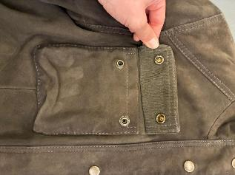 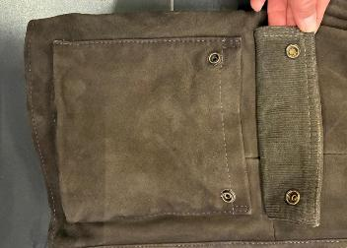 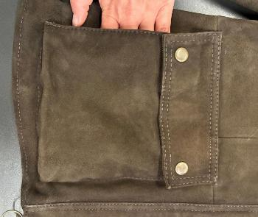 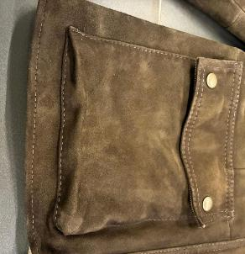 POCKETS | OK POCKETS AS PER SMS *CHEST POCKET: LEATHER PATCHES + LEATHER FLAP ->OK AS PER SMS > VISIBLE STITCHING DOUBLE STITCHING AT POCKET FLAP > VISIBLE STITCHING AT THE EDGE ALL AROUND PATCH POCKET *LOWER POCKET: LEATHER PATCHES + LEATHER FLAP + SIDE POCKET OPENING ->OK AS PER SMS > VISIBLE STITCHING DOUBLE STITCHING AT POCKET FLAP > VISIBLE STITCHING AT THE EDGE ALL AROUND PATCH POCKET > LOWER AND CHEST POCKET FLAP WITH LEATHER ON TOP AND FABRIC VELVET CORDOURY INSIDE *FABRIC PROVIDED BY US * THIS FABRIC SHOULD HAVE THE SAME COLOR AS PER INSIDE COLLAR, AND UNDER PLACKET_ see scheme above > METAL PRESS BUTTONS, ANTIQUE BRASS FINISHING FOR POCKET FLAP, 1,5 CM DIAMENTER -> PROVIDED BY YOU -> TAKE CARE TO FIND A SOFTER OPENING, SMS ARE TOO HARD *POCKET'S BAG IN NICE QUALITY OF POLYESTER FABRIC MATCHING LEATHER COLORS AT LOWER POCKET -> PROVIDED BY YOU -> OK AS PER SMS
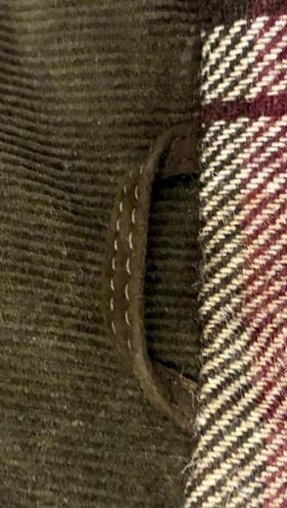 BACK LOOP | *LEATHER LOOP WITH "BIG CHAIN" ATTACHED OVER -> SMS NOT CORRECT, THE CHAIN IS MISSING AND THE LOOP IS TOO SHORT > "BIG CHAIN" SILVER ON TRANSPARENT BASE-> PROVIDED BY US >THE FINAL LENGTH OF LOOP SHOULD BE 8 CM LONGER , FROM SIDE TO SIDE -> SMS NOT CORRECT, IT'S TOO SHORT >>PAY ATTENTION TO STICH THE LOOP PERFECTLY CENTERED TO THE BACK PANEL >>TO SEW THE CHAIN PLEASE USE A LIGHT THREAD col.LIGHT GREY IN ORDER TO BE LESS VISIBLE AS POSSIBLE THROUGH THE TRIMMING >>PAY VERY VERY ATTENTION TO DON'T RUIN THE CHAIN DURING THE ASSEMBLING SECTION
PAY ATTENTION TO MAKE THE STITCHING WITH ALWAYS SAME STICH FEET WITH SAME LENGTH _ IMPROVE IT
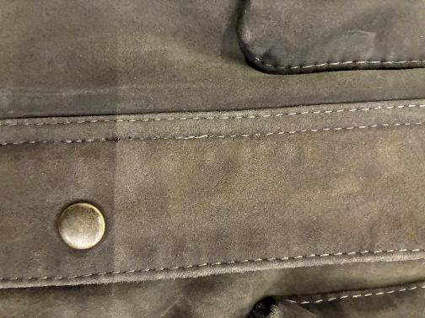 OTHER | GENERAL WORKMANSHIP ATTENTION >PAY ATTENTION TO MAKE THE STITCHING WITH ALWAYS SAME STICH FEET WITH SAME LENGTH _ IMPROVE IT > AVOID BROKEN STITCHING -> SMS NOT CORRECT, THERE ARE SOME STITCHING BROKEN AND UNDO , ABSOLUTELY NOT CORRECT FOR PPS AND BULK > STITCHING MUST BE PERFECTLY FIXED _ IMPROVE WORKMANSHIP >TAKE CARE TO DON'T RUIN THE VELVET FABRIC DURING THE ASSEMBLING SECTION > AVOID MARBLED EFFECT ON SUEDE AFTER WASHING AND TREATMENT > ALL SEAMS SHOULD BE WELL HAMMERED, BUT THE SEAM'S ALLOWANCE SHOULD NOT MARK THE LEATHER OUTSIDE > NO FLYING THREADS >PAY ATTENTION TO THE FINAL MEASUREMENT, THE JACKET MUST FOLLOW PERFECTLY THE FINAL MEASUREMENTS REQUIRED ON SIZE CHART >AVOID STAINS AND SCRATCHES ON LEATHER

PACKING & SHIPMENT IMPROVE PACKING/PROCESS TO PREVENT DEEP MARKS TAKE CARE TO PROTECT HANGED LABELLING IN ORDER TO DO NOT LEAVE IMPRESSION ON THE JACKET
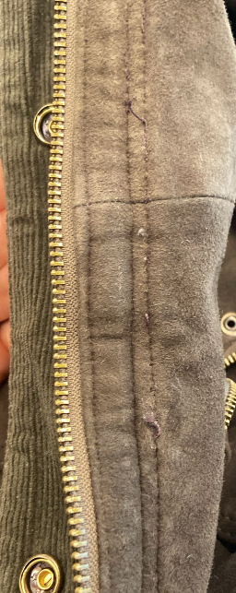
AVOID BROKEN STITCHING -> SMS NOT CORRECT, THERE ARE SOME STITCHING BROKEN AND UNDO , ABSOLUTELY NOT CORRECT FOR PPS AND BULK
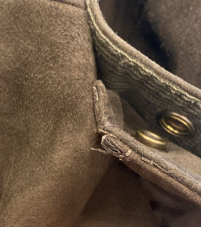
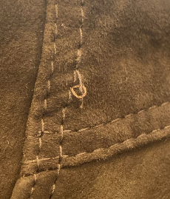
STITCHING MUST BE PERFECTLY FIXED _ IMPROVE WORKMANSHIP

